Table 1
OEM
Trim Plate Models | Frame | Cables Harness | Product List | Car Model

AJ-BMW-001 |  |  | 1. Frame x 1 2. Power cable x 1 3. Canbus x 1 4. Radio antenna x 1 | For BMW E46 9”
AJ-BMW-003 |  |  | 1. Frame x 1 2. Power cable x 1 3. Canbus x 1 4. Radio antenna x 1 | For BMW X1 10”
AJ-BMW-003 | 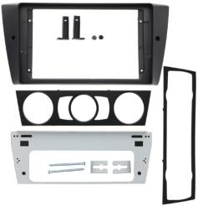 |  | 1. Frame x 1 2. Power cable x 1 3. Canbus x 1 4. Radio antenna x 1 | For BMW 3SERIES E90/E91/E92/E93 2005- 2012 9”
AJ-BMW-005 |  |  | 1. Frame x 1 2. Power cable x 1 3. Canbus x 1 4. Radio antenna x 1 | For BMW X5 E39/X5/E53 9”
AJ-BMW-006 | 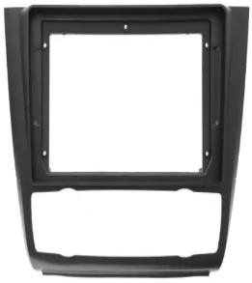 |  | 1. Frame x 1 2. Power cable x 1 3. Canbus x 1 4. Radio antenna x 1 | For BMW 1 SERIES 2006- 2013 9”, High Vesion
AJ-BMW-009 | 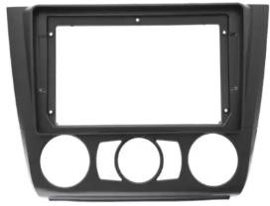 |  | 1. Frame x 1 2. Power cable x 1 3. Canbus x 1 4. Radio antenna x 1 | For BMW 1 SERIES 2006- 2013 9”, Low Vesion

Table 2
AJ-FD-001 | 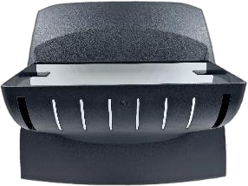 |  | FORD FIESTA 2012-2014 WITHOUT DISPLAY
AJ-FD-008 | 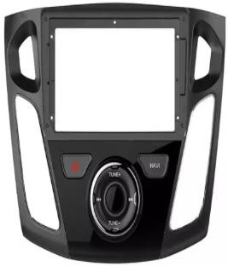 | 1. Frame x 1 2. Power cable x 1 3. Canbus x 1 4. Radio antenna x 1 5. USB cable x 1 6. Emergency cable x 1 | For FORD FOCUS 2011- 2018 9”
AJ-FD-024 |  | 1. Frame x 1 2. Power cable x 1 3. Canbus x 1 4. Radio antenna x 1 5. USB cable x 1 | For FORD RANGER 2018 9”, Medium level
AJ-FD-028 | 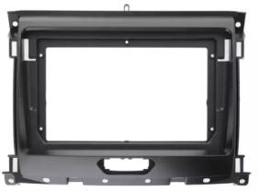 | 1. Frame x 1 2. Power cable x 1 3. Canbus x 1 4. Radio antenna x 1 5. USB cable x 1 6. Emergency cable x 1 | For FORD RANGER 2018 9”, Low level
AJ-FD-029 | 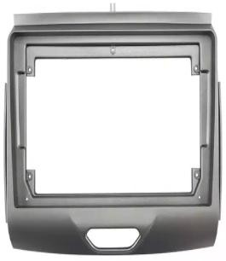 | 1. Frame x 1 2. Power cable x 1 3. Canbus x 1 4. Radio antenna x 1 5. USB cable x 1 | For FORD RANGER 2018 9”, High level
AJ-FD-031 | 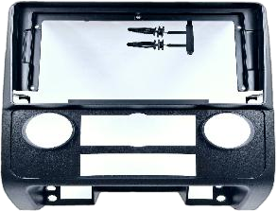 | 1. Frame x 1 2. Power cable x 1 3. Canbus x 1 4. Radio antenna x 1 5. USB cable x 1 6. Emergency cable x 1 | FORD KUGA 2008-2012 9" RADIO TRIM KIT
AJ-FD-034 | 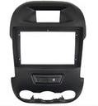 | 1. Frame x 1 2. Power cable x 1 3. Canbus x 1 4. Radio antenna x 1 5. USB cable x 1 6. Emergency cable x 1 | FORD RANGER T6
AJ-FD-034-M |  | 1. Frame x 1 2. Power cable x 1 3. Canbus x 1 4. Radio antenna x 1 5. USB cable x 1 6. Emergency cable x 1 | Ford Ranger 2011-2015 Manual AC
AJ-CC-009 |  | 1. Frame x 1 2. Power cable x 1 3. Canbus x 1 | For HAVAL H6 9” 2018
AJ-CC-012 |  | 1. Frame x 1 2. Power cable x 1 3. Canbus x 1 4. USB cable x 1 | For HAVAL H2 9” 2017
AJ-CC-017 | 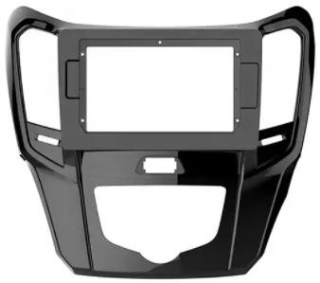 | 1. Frame x 1 2. Power cable x 1 3. Canbus x 1 4. USB cable x 1 | For HAVAL H1 10”
AJ-CC-022 |  | 1. Frame x 1 2. Power cable x 1 3. Canbus x 1 4. USB cable x 1 | For GWM STEED6 9” 2016
AJ-CC-030 |  | 1. Frame x 1 2. Power cable x 1 3. Canbus x 1 | For GWM P SERIES 9”

Table 3
AJ-HY-003 |  |  | 1. Frame x 1 2. Power cable x 1 | For HYUNDAI CRETA 2016-2019 9”
AJ-HY-005 | 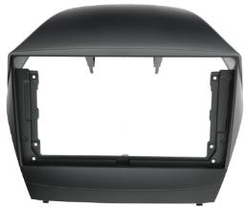 |  | 1. Frame x 1 2. Power cable x 1 | For HYUNDAI IX35 2009- 2015 9”
AJ-HY-031 |  |  | 1. Frame x 1 2. Power cable x 1 | For HYUNDAI I20 2014- 2019 9”
AJ-HY-037 |  |  | 1. Frame x 1 2. Power cable x 1 | For HYUNDAI I10 2014
AJ-HY-046 | #VALUE! |  | 1. Frame x 1 2. Power cable x 1 | HYUNDAI 2014-2017 9" TRIM KIT
AJ-HY-054 |  |  | 1. Frame x 1 2. Power cable x 1 3. Radio antenna x 1 | For HYUNDAI I20 2018- 2019 9”
AJ-HY-072 |  |  | 1. Frame x 1 2. Power cable x 1 3. Radio antenna x 1 | 2021 HYUNDAI I10 9INCH
AJ-HY-098 |  |  | 1. Frame x 1 2. Power cable x 1 3. Radio antenna x 1 | HYUNDAI I30 2012-2017

AJ-WSL-006 | 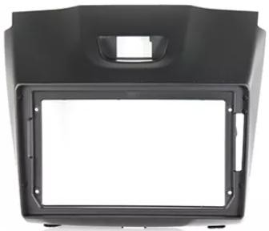 |  | 1. Frame x 1 2. Power cable x 1 | For ISUZU D-MAX 2015- 2018 9”
AJ-WSL-014 | 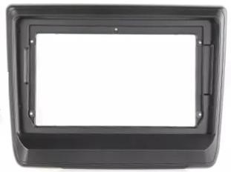 | 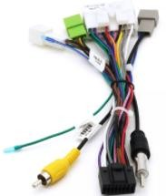 | 1. Frame x 1 2. Power cable x 1 | For ISUZU D-MAX 2022 9”

AJ-JP-007 | 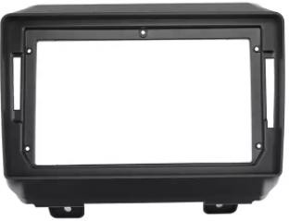 |  | 1. Frame x 1 2. Power cable x 1 3. Canbus x 1 4. Radio antenna x 1 5. USB cable x 1 | For JEEP WRANGLER 2018 9”
AJ-JP-008 |  |  | 1. Frame x 1 2. Power cable x 1 3. Canbus x 1 4. Radio antenna x 1 5. USB cable x 1 | For JEEP RENEGADE 2016 9”

Table 4
AJ-KIA-014 | 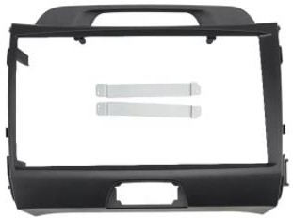 | 1. Frame x 1 2. Power cable x 1 | For KIA SPORTAGE 2010- 2015 9” (NON AMPLIFIED VERSION)
AJ-KIA-017 |  | 1. Frame x 1 2. Power cable x 1 | For KIA RIO 2011-2017 9”
AJ-KIA-021 |  | 1. Frame x 1 2. Power cable x 1 | For KIA SORENTO 2015 10”
AJ-KIA-033 |  | 1. Frame x 1 2. Power cable x 1 3. Radio antenna x 1 | For KIA SPORTAGE 2018- 2019 9”
AJ-KIA-037 |  | 1. Frame x 1 2. Power cable x 1 3. Radio antenna x 1 | 2019 KIA PICANTO 9INCH
AJ-KIA-042 | 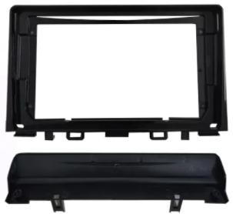 | 1. Frame x 1 2. Power cable x 1 3. Radio antenna x 1 | For KIA RIO 2017-2019 9
AJ-KIA-054 |  | 1. Frame x 1 2. Power cable x 1 3. Radio antenna x 1 | For KIA SELTOS 2019- 2022 10”
AJ-KIA-094 |  | 1. Frame x 1 2. Power cable x 1 3. Radio antenna x 1 | 2023 KIA PICANTO 9INCH
AJ-MZ-014 | 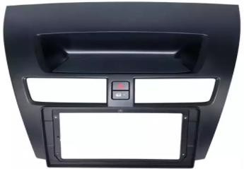 | 1. Frame x 1 2. Power cable x 1 3. Canbus x 1 4. USB cable x 1 | For MAZDA BT50 2012- 2018 9”
AJ-MZ-015 |  | 1. Frame x 1 2. Power cable x 1 3. Cable x 1 | For MAZDA3 2014-2019 9”

AJ-MBZ-001-169 |  | 1. Frame x 1 2. Power cable x 1 3. Canbus x 1 | MERCEDES A-CLASS W169 2004-2012 9" RADIO TRIM KIT
AJ-MBZ-006 |  | 1. Frame x 1 2. Power cable x 1 3. Canbus x 1 | For MERCEDES C CLASS W204 2007-2013 9”
AJ-MBZ-009 |  | 1. Frame x 1 2. Power cable x 1 3. Canbus x 1 4. Radio antenna x 1 | For MERCEDES C CLASS W203 2007-2013 9”
AJ-MBZ-010 | 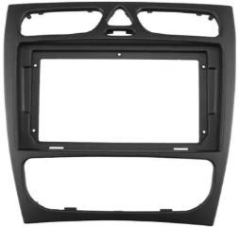 | 1. Frame x 1 2. Power cable x 1 3. Canbus x 1 4. Radio antenna x 1 | For MERCEDES C CLASS W203 FACE LIFT 2007- 2013 9”

Table 5
AD-NM001 |  | 1. Frame x 1 2. Power cable x 1 3. Canbus x 1 4. Radio antenna x 1 5. AUX cable x 1 | NISSAN MAGNITE
AJ-NS-004 |  | 1. Frame x 1 2. Power cable x 1 3. Canbus x 1 4. Radio antenna x 1 5. AUX cable x 1 | For Nissan X-trail / Qashqai 2014
AJ-NS-006 | 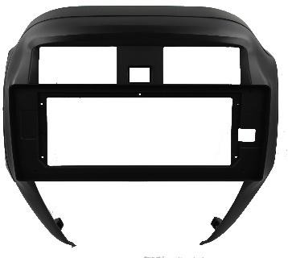 |  | NISSAN ALMERA 10" 2018 (SUNNY)
AJ-NS-039 |  | 1. Frame x 1 2. Power cable x 1 3. Canbus x 1 4. Radio antenna x 1 5. AUX cable x 1 | For NISSAN NAVARA 2015-2017 9”

Table 6
AJ-RN-005 | 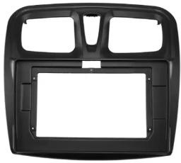 | 1. Frame x 1 2. Power cable x 1 3. Canbus x 1 4. Radio antenna x 1 5. USB cable x 1 | For RENAULT SANDERO 2012-2017 9”
AJ-RN-006 | 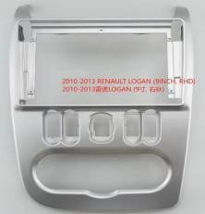 | Frame only | 9INCH NISSANNP200(DACIA)
AJ-RN-011 | 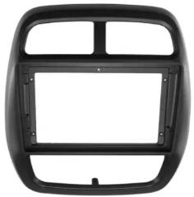 | 1. Frame x 1 2. Power cable x 1 3. Canbus x 1 4. Radio antenna x 1 5. USB cable x 1 | For RENAULT KWID 2012-2017 9”
AJ-RN-015 | 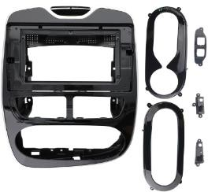 | 1. Frame x 1 2. Power cable x 1 3. Canbus x 1 4. Radio antenna x 1 5. USB cable x 1 | For RENAULT CLEO 2012-2016 10”
AJ-RN-021 |  | 1. Frame x 1 2. Power cable x 1 3. Canbus x 1 4. Radio antenna x 1 5. USB cable x 1 | For RENAULT TRIBER 2019 9”

Table 7
AJ-SK-001 | 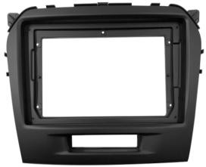 | 1. Frame x 1 2. Power cable x 1 | For SUZUKI VITARA 2015-2016 9”
AJ-SK-002 |  | 1. Frame x 1 2. Power cable x 1 | For SUZUKI SWIFT 2005- 2010 10”
AJ-SK-003 |  | 1. Frame x 1 2. Power cable x 1 | For SUZUKI CIAZ 2015- 2022 9”
AJ-SK-007 |  | 1. Frame x 1 2. Power cable x 1 | For SUZUKI SX4 2006- 2012 9”
AJ-SK-013 |  | 1. Frame x 1 2. Power cable x 1 | For SUZUKI SWIFT 2017- 2019-2022 9”
AJ-SK-014 |  | 1. Frame x 1 2. Power cable x 1 | For SUZUKI SWIFT 2012 9”
AJ-SK-015 |  | 1. Frame x 1 2. Power cable x 1 | 2023 SUZUKI ERTIGA
AJ-SK-048 |  | 1. Frame x 1 2. Power cable x 1 + camera cable x 1 | SUZUKI SWIFT 2018, BLACK UV, WITH CAMERA PLUG
AJ-SK-049 |  | 1. Frame x 1 2. Power cable x 1 | 2025 SUZUKI SWIFT

AJ-SK-016 |  | 1. Frame x 1 2. Power cable x 1 | For SUZUKI IGNIS 2016- 1018 9”
AJ-SK-019 |  | 1. Frame x 1 2. Power cable x 1 | For SUZUKI VITARA/BREZZA 2021- 2022 9”
AJ-SK-022 |  | 1. Frame x 1 2. Power cable x 1 | For SUZUKI JIMNY 2018- 2022 9”
AJ-SK-024 |  | 1. Frame x 1 2. Power cable x 1 | For Suzuki Baleno 2015
AJ-SK-034 |  | 1. Frame x 1 2. Power cable x 1 | For SUZUKI BOLENO 2016-2022 9”
AJ-SK-048 |  | 1. Frame x 1 2. Power cable x 1 + camera cable x 1 | SUZUKI SWIFT 2018, BLACK UV, WITH CAMERA PLUG
AJ-SK-50 | 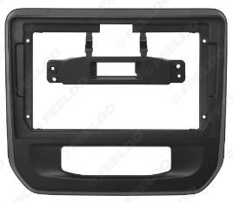 | 1. Frame x 1 2. Power cable x 1 | For Suzuki Celerio 2021
SU-074N | 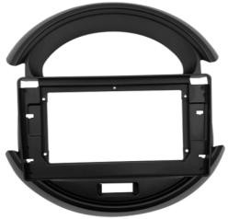 | 1. Frame x 1 2. Power cable x 1 | For SUZUKI S-PRESSO 2020-2022 9”

Table 8
AJ-TY-009 |  |  | 1. Frame x 1 2. Power cable x 1 3. USB cable x 1 | TOYOTA FJ CRUIZER
AJ-TY-034 |  |  | 1. Frame x 1 2. Power cable x 1 3. Canbus x 1 4. USB cable x 1 | For TOYOTA FORTUNA 2016-2022 9”
AJ-TY-046 |  |  | 1. Frame x 1 2. Power cable x 1 | For TOYOTA COROLLA 2006-2012 9”(SILVER)
AJ-TY-076 |  |  | 1. Frame x 1 2. Power cable x 1 3. Canbus x 1 4. USB cable x 1 | For TOYOTA HILUX 2016-2018 10”
AJ-TY-078 | 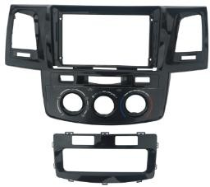 |  | 1. Frame x 1 2. Power cable x 1 3. USB cable x 1 | For TOYOTA HILUX 2008-2014 9”
AJ-TY-080 |  |  | 1. Frame x 1 2. Power cable x 1 3. Canbus x 1 4. USB cable x 1 | For TOYOTA COROLLA 2019 10”
AJ-TY-096 |  |  | 1. Frame x 1 2. Power cable x 1 3. USB cable x 1 | For TOYOTA COROLLA 2014 10”
AJ-TY-097 | 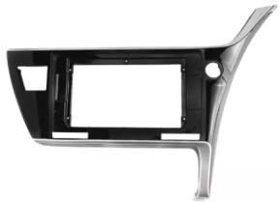 |  | 1. Frame x 1 2. Power cable x 1 3. USB cable x 1 | For TOYOTA COROLLA 2017 10”
AJ-TY-097 |  |  | 1. Frame x 1 2. Power cable x 1 3. Canbus x 1 4. USB cable x 1 | For TOYOTA COROLLA CROSS 2021-2022 10”

AJ-MHD-002 |  |  | 1. Frame x 1 2. Power cable x 1 3. Canbus x 1 4. USB cable x 1 | MAHINDRA SCORPIO 9" RADIO TRIM KIT

AJ-VW-097 | 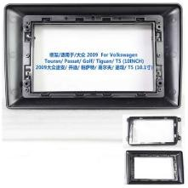 |  | 1. Frame x 1 2. Power cable x 1 3. Canbus x 1 4. USB cable x 1 | For VW Golf 5/6, VW Universal
MOST BMW |  | For Mercedes Benz ML/R Series / BMW / Audi / Porsche |  | MOST BMW FIBRE OPTIC DECODER FOR HARMEN/LOGIC
MOST BENZ |  | For Mercedes Benz CLS E SLK/SL W219 W211 W171 S/CL Class W220 |  | MOST MERCEDES FIBRE OPTIC DECODER

